Django
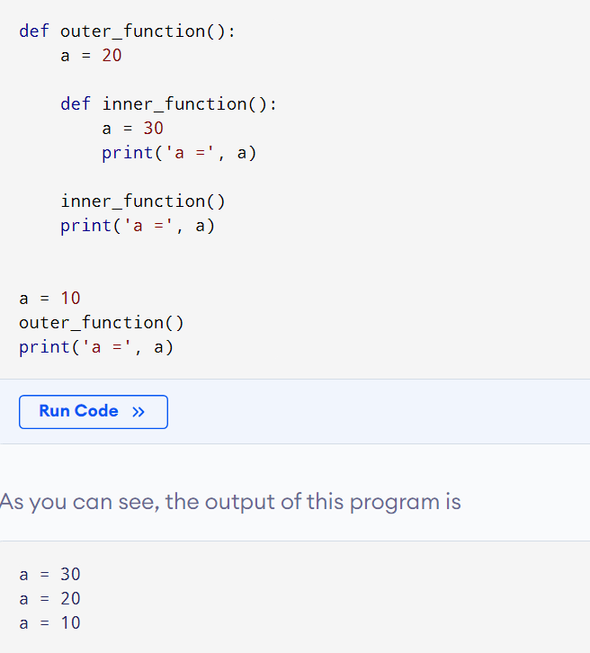
Callable
 | any object which implements the special method __call__() is termed callable
 | Functions and methods are called callable as they can be called.

 | args will be the tuple of positional arguments and kwargs will be the dictionary of keyword arguments

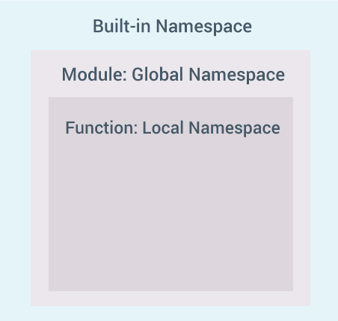
Namespace
To simply put it, a namespace is a collection of names.

Python Variable Scope
 |  | A scope is the portion of a program from where a namespace can be accessed directly without any prefix.
 |  | At any given moment, there are at least three nested scopes.
 |  | 1. Scope of the current function which has local names
 |  | 2. Scope of the module which has global names
 |  | 3. Outermost scope which has built-in names

 | When a reference is made inside a function, the name is searched in the local namespace,
 | then in the global namespace and finally in the built-in namespace.
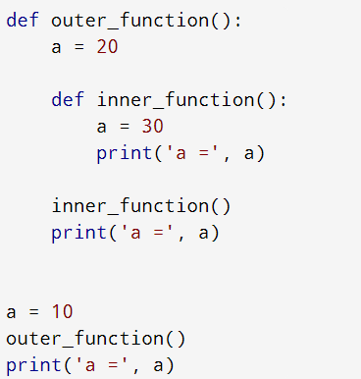

 | Example of Scope and Namespace in Python
 | def outer_function():
 | b = 20
 | def inner_func():
 | c = 30

 | a = 10
 | Here, the variable a is in the global namespace. Variable b is in the local namespace of outer_function()
 | and c is in the nested local namespace of inner_function().
 | When we are in inner_function(), c is local to us, b is nonlocal and a is global.
 | We can read as well as assign new values to c but can only read b and a from inner_function()

